Action Plan (2)
Samarkand Field Visit Action Plan

No | Area / Finding | Risk | Action | Action Owner | Due Date | Priority | LSR Item / Scope | Comments / Recommendations | Status | Evidence
1 | Facility entrance traffic arrangement | Pedestrian-vehicle collision risk | Organize traffic from facility entrance; separate pedestrian walkway; mark areas where crossing is prohibited with signs. | Plant Manager / Logistics Manager / HSE Team | 2026-11-15 | High | LSR 12 Safe Zones; LSR 14 Safe Driving | Should be supported with directional and floor markings. | In process
2 | Cafeteria single entry/exit | Crowded area evacuation risk | Install two separate exits in cafeteria to ensure healthy evacuation during emergencies. | HSE team | 2026-12-31 | Critical | LSR 1.7 Emergency Response; LSR 12 Safe Zones | Current single entry/exit poses significant evacuation risk. | In process | Check requirement | ШНК 2.01.02-04 «Пожарная безопасность зданий и сооружений» 5.12
3 | Emergency exit doors at cafeteria exit | Risk of uncontrolled exit to vehicle route | Change doors at emergency exits like cafeteria exit to emergency exit doors; install barriers to prevent employees from exiting directly onto the road. | HSE team | 2026-11-30 | Critical | LSR 1.7 Emergency Response; LSR 12 Safe Zones | Barrier design should not obstruct evacuation direction. | In process | Check with other plants
4 | Office to production area entrance | Equipment collision risk at entrance | Install bar-type barrier with 'STOP' sign at office-to-production entrance; door should open inward. | HSE team/Utility | 2026-12-01 | High | LSR 12 Safe Zones; LSR 7 Safe Equipment | Direct exposure to work equipment upon entry poses collision risk. | In process |  | 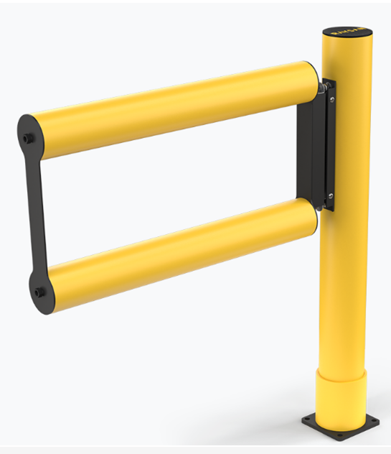
5 | Beam detector functionality | Risk of delayed fire detection | Check functionality of beam detectors in facility; remove obstructions such as fire lines and electrical cables blocking detector view. | Maintenance Manager / Fire Safety Responsible |  | High | LSR 1.7 Emergency Response; LSR 7 Safe Equipment | Obstructions in front of beam detectors reduce detection capability. | Done | Due to Service company inspection all detectors full operational no any interference was detected
6 | Beam detector monitoring and addressing | Detection risk not integrated with alarm scenario | Ensure security personnel or operators monitoring beam detectors know which address corresponds to which detector when alarm is received. | Security Supervisor / Maintenance Manager |  | High | LSR 1.7 Emergency Response; LSR 7 Safe Equipment | Training should be provided to monitoring personnel. | In process | Service company will arrange refreshinh training to all security personnel in end of this month
7 | Emergency scenario activation | Evacuation delay in emergency | Ensure emergency scenario is operational; when beam detector signals error, alarm should activate immediately to evacuate facility; time until alarm verification can be configured. | Maintenance Manager / HSE Team | 2026-10-15 | Critical | LSR 1.7 Emergency Response; LSR 7 Safe Equipment | Scenario should be tested with emergency drills. | In process |  Next emergency drill planned in October |  | 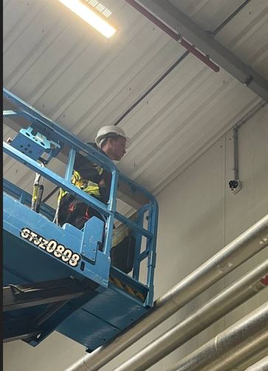
8 | Beam detector operation principles | Detection and response delay risk | Train personnel on beam detector operation principles (different LED indicators); organize training for those monitoring fire panel or screen. | HSE Team / Fire Safety Responsible | 2026-10-16 | Medium | LSR 1.7 Emergency Response; LSR 3 Right Skills for the Task | Different indicator lights should be explained clearly. | In process | The service company is planning to provide comprehensive training to all security personnel by the end of this month.
9 | Tank and confined space work permits | Fall from height and confined space entry risk | Implement work permit system for tank top and tank interior work (height and confined space); workers must have health approval from doctor; lifelines must be installed on ladders. | HSE Team / Engineering Manager / Production Manager | 45 Days | Critical | LSR 6 Work at Height; LSR 9 Confined Spaces; LSR 5 Work Permit | Health clearance and equipment checklist required before work. | Done |  | CCI's Permit to Work (PTW) process is already established and implemented. The Samarkand Plant actively uses the PTW system for all applicable hazardous and non-routine activities to ensure safe execution of work and compliance with company requirements.
10 | In-facility pedestrian floor markings | Pedestrian safety and navigation risk | Complete floor markings for in-facility pedestrian walkways. | Logistics Manager / Facilities Manager |  | High | LSR 12 Safe Zones; LSR 14 Safe Driving | Should be visible under low light conditions. | Done |  | 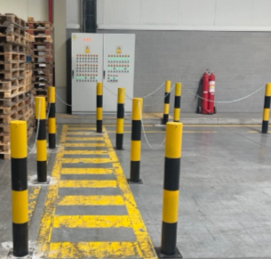
11 | Emergency exit directional signs | Difficulty finding direction during evacuation | Increase emergency exit directional signs to eliminate blind spots; work on layout plan. | HSE team / Facilities Manager | 2026-12-31 | Medium | LSR 1.7 Emergency Response; LSR 12 Safe Zones | Directions should be suitable for night/visibility conditions. | In process | All direction signs with illumination. Additional signs need to add to next Plant visualization order
12 | Fire extinguishers and fire cabinets | Difficulty identifying equipment in emergency | Label in-facility fire extinguishers and fire cabinets (Tashkent factory as good example); remove materials in front of them; train employees on these topics. | HSE Team/ Maintenance Manager | 2026-12-31 | High | LSR 1.7 Emergency Response; LSR 7 Safe Equipment | Labels should include inspection date and responsible person information. | In process | All labels have inspection date and inspectors signed accordingly
13 | Electrical panel accessibility and security | Electrical shock risk | Remove materials in front of electrical panels; make panels lockable; display responsible personnel names and contact information on panels. | Electrical Supervisor / Maintenance Manager | 14 Days | High | LSR 7 Safe Equipment; LSR 8 Safe Work Energized Systems | Periodic inspection records should be kept. | Done | Periodical inspection conducting by electricians and registering in logbook
14 | Insulating mats in front of panels | Electrical shock risk | Place insulating mats of appropriate standard in front of panels. | Electrical Supervisor / Maintenance Manager | 14 Days | High | LSR 7 Safe Equipment; LSR 8 Safe Work Energized Systems | Mat standard and periodic inspection records should be kept. | Done | 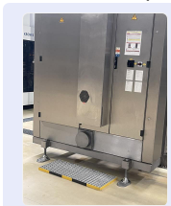 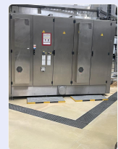
15 | Rear facility assembly area | Evacuation time and crowd management risk | Establish assembly area at rear of facility; considering human load in escape corridors, designate rear assembly point; conduct drills to build employee habits. | HSE Team / Facilities Manager |  | Critical | LSR 1.7 Emergency Response; LSR 12 Safe Zones | Capacity control should consider door and corridor human load. | Done | Rear side Assembly Point is prepared by ORA inssat
16 | Security personnel visibility | Identification and response risk | Replace security personnel uniforms with high-visibility ones. | Security Supervisor | 30 Days | Low | LSR 4 Contractor & Visitor Safety; LSR 12 Safe Zones | High-visibility clothing improves identification during emergencies. | In process |  | The new uniform program for all security personnel in Uzbekistan has been finalized, and production is currently in progress. Distribution to all security guards is planned upon completion of the manufacturing process.
17 | Driver waiting area arrangement | Pedestrian-vehicle interaction risk | Arrange waiting area for drivers waiting in queue; designate vehicle waiting spots; prepare waiting room for drivers. | Logistics Manager / Security Supervisor | 45 Days | High | LSR 12 Safe Zones; LSR 14 Safe Driving | A TV/screen can be placed in waiting room so drivers can follow the process. | Done | 3PL company have a Que managing system they have office outside near parking area
18 | Forklift driving with load | Forklift visibility and collision risk | When forklift has load blocking forward view, drive in reverse looking over shoulder from the clear side. | Warehouse Manager / HSE Team | 30 Days | Medium | LSR 13 Forklifts / Lift Trucks; LSR 14 Safe Driving | Should be included in forklift operator training. | In process | Refreshing training will be conducted asap
19 | Conveyor line and production line openings | Machine entanglement/crushing risk | Cover openings at conveyor lines and end of production lines. | Engineering Manager / Production Manager | 2026-11-30 | Critical | LSR 7 Safe Equipment; LSR 8 Safe Work Energized Systems | Operation should not be performed without machine safety in place. | In process | We will make transfer plate to close the gap
20 | Electrical internal wiring inspection | Electrical fire/shock risk | Have electrical internal installations inspected; confirm existence and functionality of residual current devices and grounding. | Electrical Supervisor / Maintenance Manager |  | High | LSR 7 Safe Equipment; LSR 8 Safe Work Energized Systems | Measurement reports should be attached as action closure evidence. | Done |  | All inspection were done and certificate submitted, all cables and wires properly grounded
21 | Production area electrical panels | Electrical shock risk | Verify insulating mats in front of production area electrical panels meet appropriate standards; add responsible personnel name-surname and emergency contact information on panels. | Electrical Supervisor / Maintenance Manager | 30 Days | High | LSR 7 Safe Equipment; LSR 8 Safe Work Energized Systems | Combined with panel security improvements. | In process
22 | Chemical work area safety equipment | Chemical exposure and spill risk | Place spill kit and PPE cabinet in chemical work areas; list materials on cabinet with quantities and expiry dates; track monthly/weekly/daily; install portable eye wash station. | HSE Team/ Warehouse Manager / Production Manager |  | High | LSR 10 Hazardous Chemicals; LSR 7 Safe Equipment | Expiry date tracking essential for emergency readiness. | Done |  | 